Design Specs
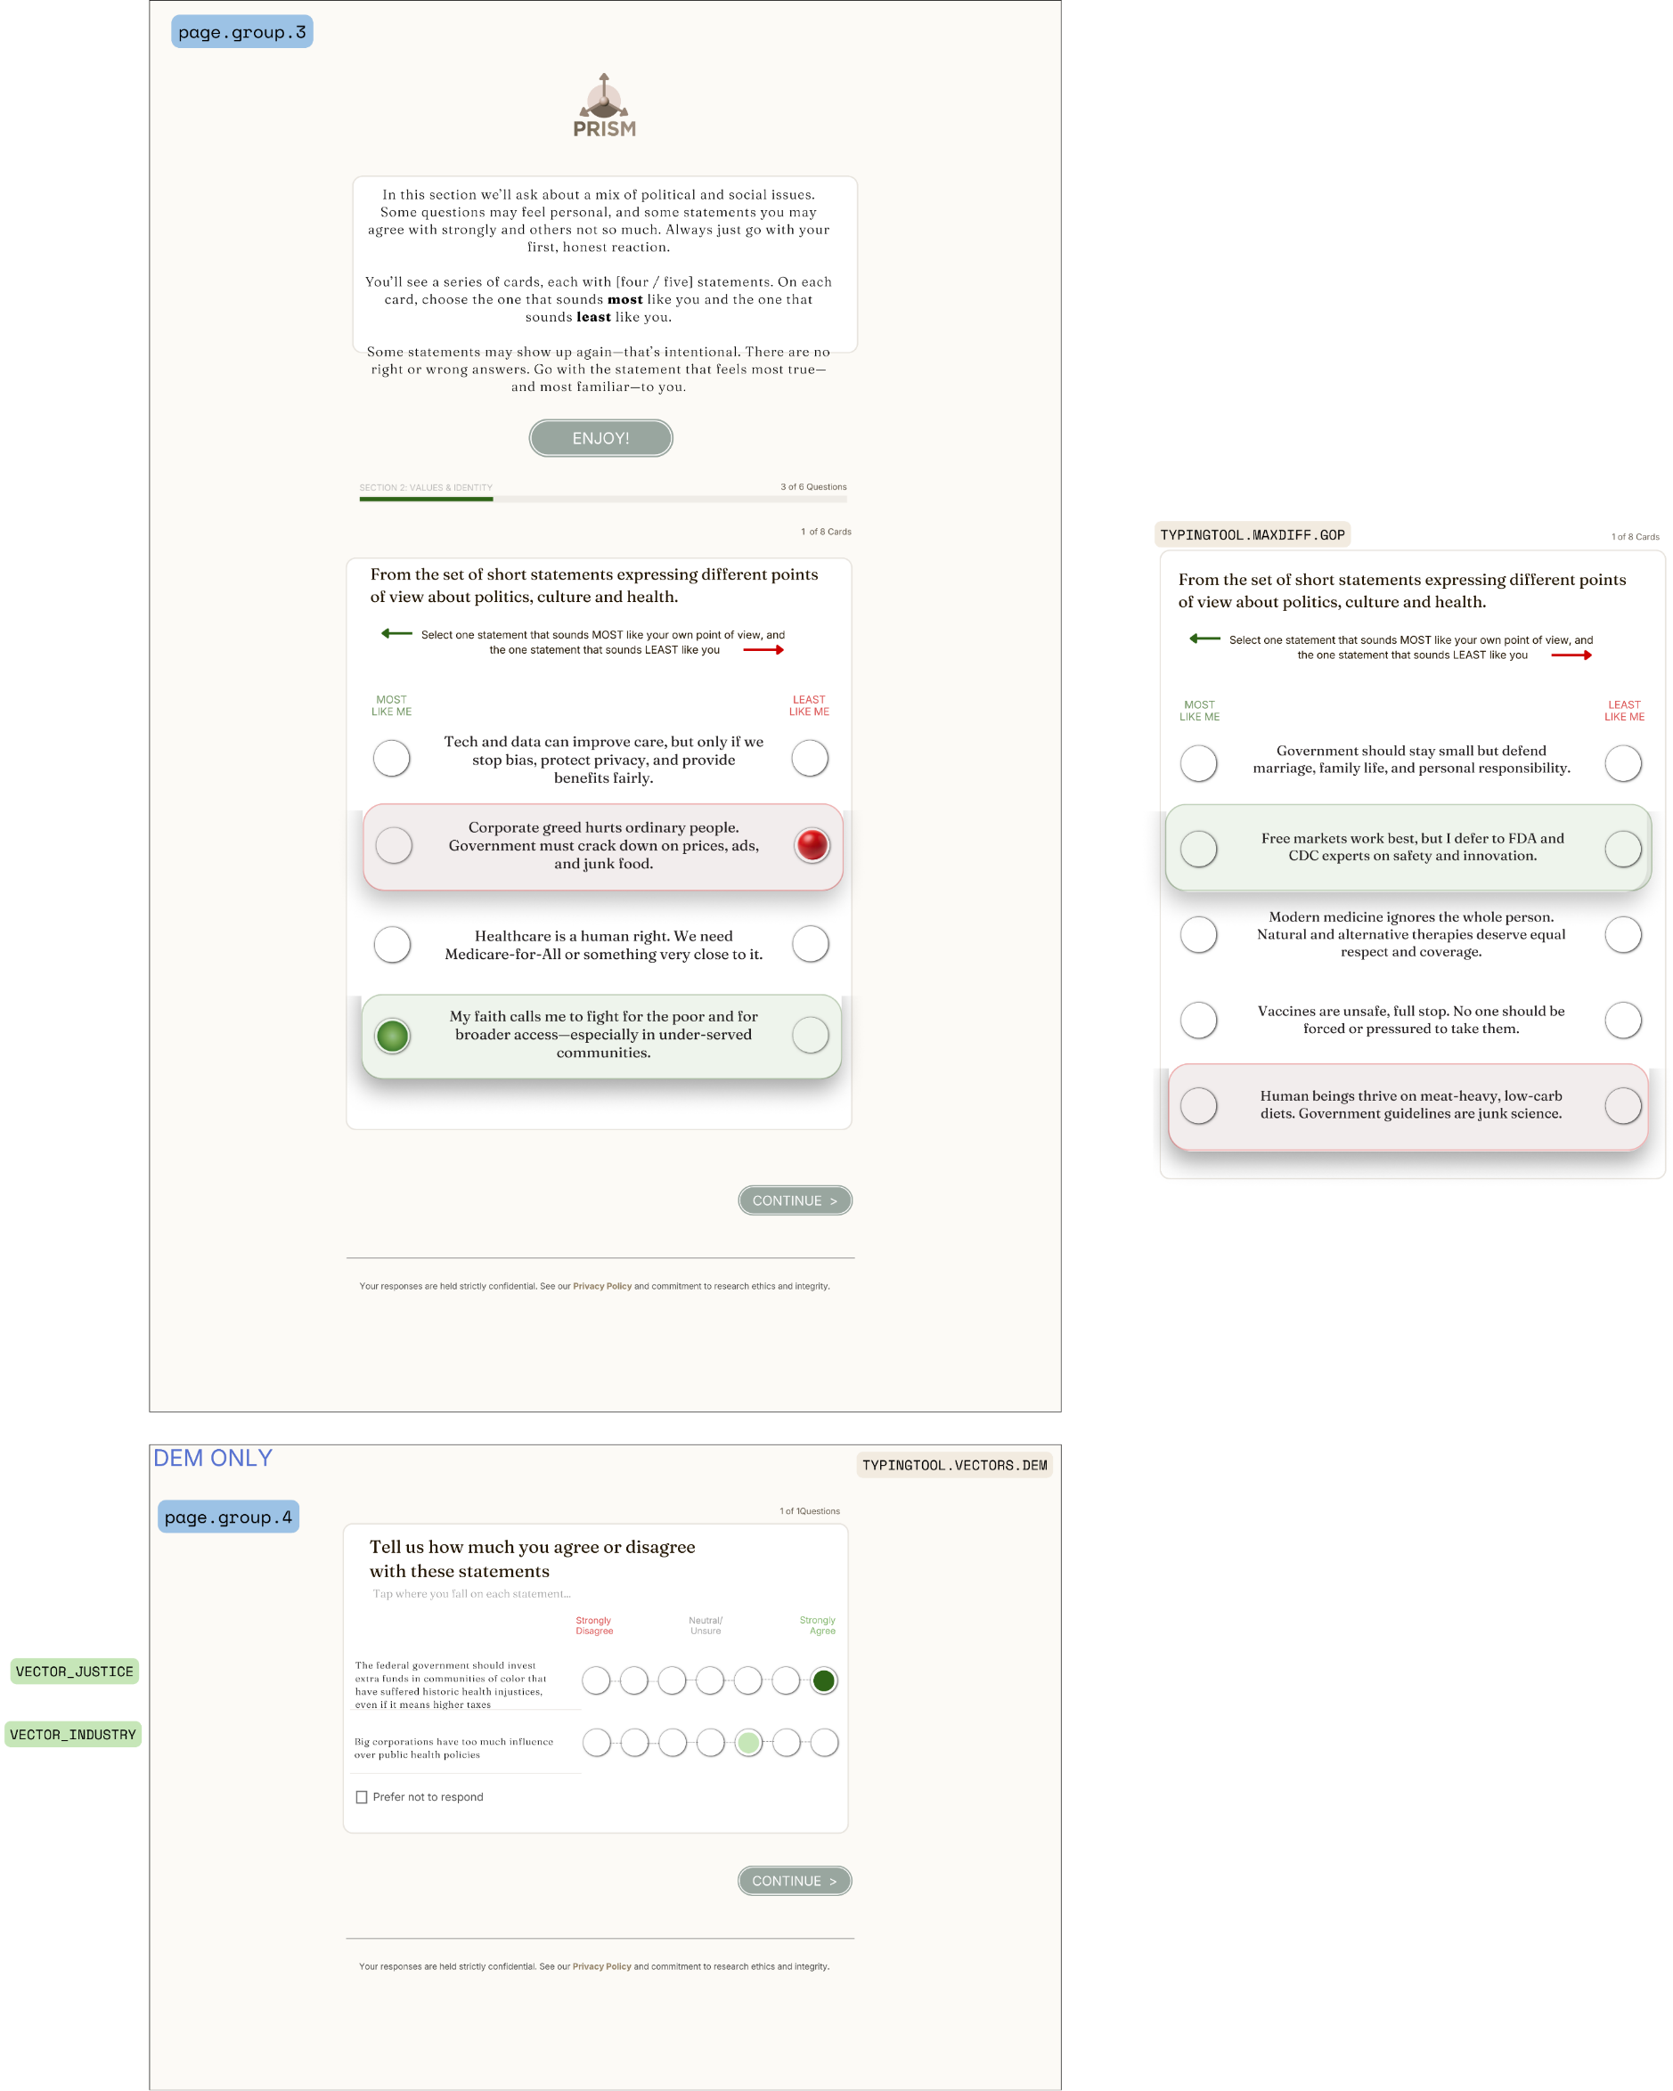
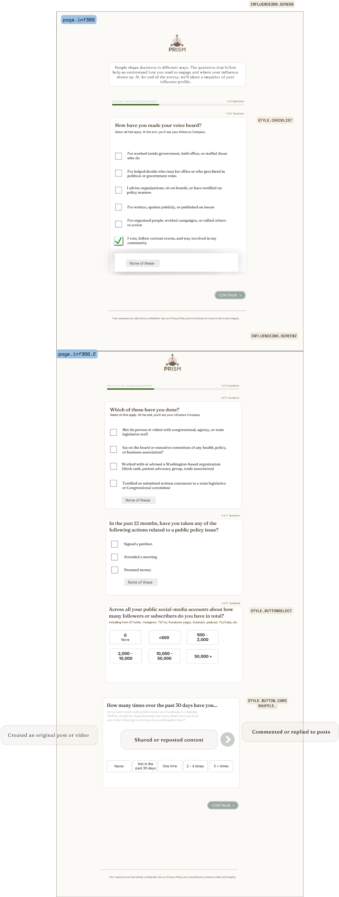
1. DESIGN TOKENS — Extracted from Canva Artboards (Feb 2026)
1.1 Colors
Token | Hex | Where Applied | Source Artboard
brand_green (CTA) | #6B7F4E | Continue buttons, CTA pills: "READY SET GO", "LET'S DO THIS", "ENJOY!", "CONTINUE >", "THANK YOU!" | Olive/army green. All artboards.
brand_green_dark | #5A6B42 | CTA hover state (estimated) | Needs Canva confirmation
bg_page | #F5F2ED | Survey page background — warm cream/parchment behind all question cards | p1 (screeners), all pages
bg_card | #FFFFFF | Question card background | All question cards
bg_card_alt | #F8F5F0 | Lighter warm card variant used for intro/header blocks | p1 intro block
bg_input | #E8E4DE | Text input fields (email, phone), dropdown backgrounds | p11 optin fields
text_primary | #333333 | Question text, option labels | Approximate — dark brown-black, not pure black
text_secondary | #888888 | Helper text, subtext, scale anchor midpoints ("Neutral/Unsure") | p4 (activation), p7 (main qnnaire)
text_red | #C62828 | Scale endpoint: "Strongly Disagree", "VERY Unsafe", "Much LESS Motivating" | p4, p7, p8 (inf360)
text_green | #2E7D32 | Scale endpoint: "Strongly Agree", "VERY Safe", "Much MORE Motivating" | p4, p7, p3 (trust)
radio_selected_green | #4CAF50 | Filled radio button — large green circle on agreement scales. Gradient: darker at strong-agree end. | p10 (vectors), p4 (mob), p3 (trust)
radio_selected_red | #C62828 | Filled radio button — red circle for disagree-end selections or LEAST in MaxDiff | p10 (vectors), p5 (msg maxdiff), p9 (typing maxdiff)
radio_unselected | #D5D0C8 | Empty radio circle outline. Warm gray, not cool gray. | All radio scales
card_selected_green | #E8F5E9 | MaxDiff: row background highlight for MOST selected item | p5 (msg maxdiff), p9 (typing maxdiff)
card_selected_red | #FFEBEE | MaxDiff: row background highlight for LEAST selected item | p5 (msg maxdiff), p9 (typing maxdiff)
card_border | #E0DCD6 | Question card border and option card border | All cards
progress_blue | #1565C0 | Progress bar fill | p1, p5, p9 — section progress
progress_track | #E0E0E0 | Progress bar track (unfilled) | All pages with progress
section_label_red | #C62828 | Section name text above progress bar: "SECTION 2: VALUES & IDENTITY" | p5, p9
checkbox_green | #4CAF50 | Checked checkbox fill with white checkmark | p8 (inf360), p7 (checklist), p10 (demographics)
button_outline | #999999 | Unselected STYLE.BUTTON.HORIZONTAL border | p4 (P1, P2n), p7 (issues)
button_selected_fill | #555555 | Selected button fill in STYLE.BUTTON.HORIZONTAL | p7 (GLP-1 effectiveness — "Only Slightly")
pnta_gray | #999999 | PNTA checkbox + text color | All pages with PNTA
footer_gray | #AAAAAA | Footer privacy text | All pages
engagement_bg | #FFF9C4 | Fun fact / "Why we ask" callout background (yellow-ish) | p1 ZIP code callout
1.2 Typography
Token | Value | Notes
font_family | Fraunces (question text, headings, statements) + Inter (helper text, instructions, scale labels, subtext) | Fraunces: Google Font, serif with optical sizing. Used for all primary respondent-facing text. Inter: clean sans-serif for secondary/instructional text. Both available via Google Fonts CDN.
question_text_size | ~18-20px | Bold. "How familiar are you with…" style.
question_text_weight | Bold (700) | Consistent across all question types.
helper_text_size | ~13-14px | "Tap where you fall on each statement…" "Tell us how old you are. (We won't tell)"
helper_text_color | text_secondary | Lighter gray, smaller than question text.
option_label_size | ~14-15px | Checkbox/radio item text. Regular weight.
scale_anchor_size | ~11-12px | "Strongly Disagree" / "Neutral/Unsure" / "Strongly Agree" below radio scales.
scale_anchor_weight | Semibold or Bold | Endpoint anchors appear heavier than midpoint.
button_label_size | ~12-13px | Inside STYLE.BUTTON.HORIZONTAL: "Definitely NO", "Probably No", etc.
card_statement_size | ~14-15px | MaxDiff item text, critic item text. Centered in card.
section_label_size | ~11px uppercase | "SECTION 2: VALUES & IDENTITY" — small caps, red text.
counter_size | ~11px | "3 of 6 Questions", "1 of 12 Cards" — right-aligned, gray.
cta_button_size | ~14px uppercase | "CONTINUE >", "READY, SET, GO!" — white text on green pill.
footer_size | ~10px | Privacy policy line at bottom of every page.
intro_body_size | ~14-15px | Centered body text in intro blocks. May be serif or light sans.
PRISM_logo | Custom mark + "PRISM" text | Appears centered at top of every page. Mountain/arrow motif. ~80px wide.
1.3 Spacing & Layout
Token | Value | Notes
max_content_width | ~600-680px | All question cards constrained to this width, centered.
card_padding | ~20-24px | Internal padding of white question cards.
card_border_radius | ~8-12px | Subtle rounded corners on all cards.
card_shadow | None or very subtle | Cards appear flat — differentiated by border, not shadow.
card_margin_bottom | ~24-32px | Space between question cards on same page.
radio_size | ~28-32px diameter | Large touch targets. Hollow when unselected, solid fill when selected.
radio_gap | ~40-48px | Horizontal spacing between radio circles on 7-pt scale.
checkbox_size | ~20-22px | Smaller than radio. Square with rounded corners.
button_height | ~40-44px | STYLE.BUTTON.HORIZONTAL individual option buttons.
button_border_radius | ~6-8px | Slightly rounded rectangular buttons.
button_gap | ~8-12px | Space between horizontal buttons.
cta_height | ~44-48px | Continue/CTA pill button.
cta_border_radius | ~24px | Pill-shaped: fully rounded ends.
progress_height | ~4-6px | Thin bar below section label.
page_top_padding | ~24px | From PRISM logo to first content block.
page_bottom_padding | ~40-60px | From last element to footer line.
intro_block_padding | ~24-32px | Centered intro text blocks with more generous padding.
maxdiff_card_padding | ~16-20px | Individual message cards in MaxDiff task.
maxdiff_row_height | ~80-100px | Per-statement row including padding. Varies by text length.
rank_item_height | ~40-48px | Draggable rank items in STYLE.RANKSORT.
dropdown_width | ~300px | Religion and income dropdowns (p10).
2. COMPONENT API — One entry per UI component style. Defines what is configurable per instance.
2.1 STYLE.HORIZONTAL.RADIO
Description | Horizontal row of radio circles with labels below. Large circular touch targets. |  | qvote (3 opts), qgender (3 opts)
Configurable:
option_count | 2-5 | Number of radio buttons in row
option_labels[] | String array | Text below each radio. E.g., ["YES", "NO", "Not Sure"]
option_icons[] | Optional | Some instances use icon fills (e.g., green checkmark for YES, party logos for PARTYID)
has_pnta | Boolean | "Prefer not to respond" checkbox below. Default: true.
Fixed:
Radio size, colors, spacing per design tokens
2.2 STYLE.DIGITBOXES
Description | Individual digit-entry boxes side by side. Numeric input only. |  | qzip (5 boxes), qage (2 boxes)
Configurable:
box_count | 2 or 5 | Number of boxes. Determines variable width.
has_pnta | Boolean | Default: true.
has_engagement_callout | Boolean | ZIP shows "Why we ask" / "Fun Fact" callout with ? icon.
Fixed:
Box size (~40×48px), border, background per tokens
2.3 CUSTOM.BALLOT
Description | Presidential vote question. Radio options with dark side-bar markers. Unique layout. |  | q2024vote only
Fixed: Non-configurable. Single-use custom component. |  | Options: Trump (R), Harris (D), Another Candidate, "I didn't have the chance", PNTA
2.4 CUSTOM.PARTYID
Description | Party identification chain: 3 linked questions with party logo icons (elephant/donkey/IND). |  | qparty1-3
Fixed: Non-configurable. Three-question chain with conditional display logic. |  | qparty2 conditional on R/D. qparty3 conditional on Independent.
2.5 STYLE.CARDSHUFFLE
Description | Single-card-at-a-time display with swipe/arrow navigation. Card shows statement text + 7-pt radio scale below. Cards randomized. |  | Critics (15-17 items), PRE/POST items (3-5 items), Trust entities (10-20 items)
Configurable:
items[] | Array of {text, variable_name} | Statement text shown on each card. Analyst provides.
item_count | 3-20 | Determines number of cards in shuffle deck.
scale_points | 7 (default) | Number of radio circles below card. Always 7 for current studies.
scale_anchors | ["Disagree a great deal", "Neutral/Unsure", "Trust a great deal"] | 3-anchor pattern: left, center, right. Text configurable. Color: red/gray/green.
question_stem | String | "Here are some things you may have heard about XXXXX…" — analyst provides topic noun.
has_pnta | Boolean | PNTA checkbox. Default: true for grid, false for individual cards.
shuffle | Boolean | Randomize card order. Default: true.
Fixed:
Card dimensions, swipe animation, arrow (>) indicator, radio colors per tokens
Scale gradient: red endpoint → gray midpoint → green endpoint
2.6 STYLE.7PTSEMANTIC
Description | 7-point semantic differential. Two opposing statements on left and right with radio circles between. Labels only at endpoints + optional midpoint. |  | PRE_4, VECTOR_LEADERSHIP, VECTOR_MARKETS
Configurable:
left_anchor | String (paragraph) | Left-side statement. Can be multi-line. E.g., "Keep a no-fault vaccine injury compensation program as the primary route"
right_anchor | String (paragraph) | Right-side statement. E.g., "Make it easier to sue vaccine manufacturers directly in civil court"
midpoint_label | String or null | "Neutral/Unsure" if shown. Optional.
has_pnta | Boolean | Default: true.
Fixed:
7 radio circles, center-aligned. Endpoint labels: regular weight, dark text. Midpoint: lighter gray.
2.7 STYLE.RANKSORT
Description | Drag-and-drop ranking. Items shown as labeled bars with rank numbers (①②③④⑤). Respondent reorders by dragging. |  | RANK_PRE_4 (5 industries)
Configurable:
items[] | Array of strings | Items to rank. E.g., ["Oil & Gas", "Biopharmaceuticals", "Automotive Manufacturing", "AI/Tech", "Aerospace"]
item_count | 3-7 | Number of items. Determines list height.
question_text | String | "Which of the following industries is most important for America to be a global leader?"
helper_text | String | "Rank these industries in order of importance by dragging and sorting."
Fixed:
Rank number circles (green, numbered ①-⑤), item bar styling, drag interaction
2.8 STYLE.RADIO.VERTICAL
Description | Vertical stacked radio options. Each option is a full-width row with radio circle + label. Standard single-select list. |  | XX_AWARE, MAHA2, MAHA4, d3 (race)
Configurable:
options[] | Array of {label, value} | Option text and response code.
option_count | 3-10 | Number of options.
has_specify | Boolean | "Other" option with >> Specify open-end text field.
has_not_sure | Boolean | "Not Sure" button (styled differently, below main options).
has_pnta | Boolean | Default: true.
Fixed:
Radio circle left-aligned, label to right. Selected: filled dark circle.
2.9 STYLE.RADIO.HORIZONTAL
Description | Horizontal radio scale with large circles, connected by dotted line. Endpoint labels below in color (red/green). Optional midpoint label. |  | P2, XX_IMP, MAHA3 (impression)
Configurable:
scale_points | 5 or 7 | Number of radio circles. |  | Confirmed in p7 annotation: "Number of scale points 5 or 7"
left_anchor | String | Left endpoint label. Red text. E.g., "VERY Unsafe", "Much LESS Motivating", "VERY Unfavorable"
right_anchor | String | Right endpoint label. Green text. E.g., "VERY Safe", "Much MORE Motivating", "VERY Favorable"
midpoint_label | String or null | "Neutral/Unsure", "About the same". Gray text.
scale_gradient | Boolean | Radio fill follows red→green gradient. Default: true. |  | Confirmed in p7: "Scale gradient from agree/disagree"
button_colors | gray/standard/hover/fill | Color set for radio states. |  | Confirmed in p7: "No button colors (gray/standard hover/fill)"
has_or_99 | Boolean | Adds "Not Sure" or "OR 99" option outside scale. |  | Confirmed in p7: "Addition of OR OR 99"
has_pnta | Boolean | Default: true.
Fixed:
Dotted connector line between circles. Circle size per tokens. Color gradient per tokens.
2.10 STYLE.BUTTON.HORIZONTAL
Description | Row of rectangular buttons with text labels. Mutually exclusive selection. Selected button fills solid. |  | P1, P2n, XX_ISSUES (effectiveness), MAHA1, edu, optin
Configurable:
scale_points | 4-7 | Number of buttons. |  | Confirmed in p7 annotation: "Number of scale points 4-7"
button_labels[] | String array | Text inside each button. E.g., ["Definitely NO", "Probably No", "Not Sure", "Probably Yes", "Definitely YES"] |  | Confirmed: "All wording (question text, instructions/layer 2 text, response categories)"
button_colors | gray/standard/hover/fill | Color set. |  | Confirmed in p7
scale_gradient | Boolean | Whether buttons follow agree/disagree color gradient. |  | Confirmed in p7: "Scale gradient from agree/disagree"
has_or_99 | Boolean | "Not Sure" or PNTA option outside the button row. |  | Confirmed in p7: "Addition of OR OR 99 (Not sure, PNTA)"
has_pnta | Boolean | Separate PNTA checkbox. Default: true.
question_text | String | Fully configurable.
helper_text | String | Subtext below question. Configurable.
Fixed:
Button dimensions, border-radius, gap, selected fill treatment per tokens
2.11 STYLE.BUTTONSELECT
Description | Grid of rectangular buttons (2×3 or 3×3). Single-select. For categorical responses with many options. |  | qtot_followers (2×3), edu (3×3)
Configurable:
options[] | Array of strings | Button labels.
grid_cols | 2 or 3 | Column count. Row count auto from option_count.
has_pnta | Boolean | Default: true.
Fixed:
Button size, grid gap, selected treatment per tokens
2.12 STYLE.CHECKLIST
Description | Multi-select checkbox list. Vertical stack. Each option has checkbox + label. "None of these" button at bottom. |  | qinf360 (gateway), qlowinf
Configurable:
items[] | Array of {label, value} | Checkbox item text and response code.
item_count | 3-8 | Number of checkboxes.
has_none | Boolean | "None of these" exclusive option. Default: true. Styled as small gray button.
has_pnta | Boolean | Separate from "None of these". Default: false for checklists.
Fixed:
Checkbox styling (green fill + white check when selected), item spacing per tokens
2.13 STYLE.CHECKLIST.EXPAND
Description | Hierarchical multi-select. Parent categories expand to show child items. Parent acts as category header; children are individual checkboxes. |  | XX_INFO (information channels)
Configurable:
categories[] | Array of {label, children: [{label, value}]} | Parent: "In-person conversation". Children: "with my doctor", "with a pharmacist", "with a teacher", etc.
has_none | Boolean | "None of these" at bottom. Default: true.
has_pnta | Boolean | Default: false.
Fixed:
Expand/collapse animation, indent level for children, checkbox styling per tokens
2.14 STYLE.BUTTON.CARD.SHUFFLE
Description | Card-at-a-time display where each card shows an activity statement, with a frequency button scale below. Cards shuffle. |  | qsocialinfluence (3 activity cards + attention trap)
Configurable:
cards[] | Array of {text, variable_name} | Activity statements. E.g., "Shared or reposted content", "Commented or replied to posts", "Created an original post or video"
freq_labels[] | String array | ["Never", "Not in the past 30 days", "One time", "2-4 times", "5+ times"]
shuffle | Boolean | Default: true.
Fixed:
Card + button hybrid layout. Arrow (>) for next card. Button styling per tokens.
2.15 MAXDIFF (Typing)
Description | Most/Least MaxDiff for PRISM typing tool. Shows N items per task (4 for DEM, 5 for GOP). Respondent selects one MOST LIKE ME and one LEAST LIKE ME. Green/red radio columns. |  | maxdiff_dem, maxdiff_gop
Configurable: NONE (fixed). Item text, item count, and BIBD design are fixed for typing tool.
Visual elements:
Left column: "MOST LIKE ME" — green radio. Right column: "LEAST LIKE ME" — gray radio.
Selected MOST: green fill. Selected LEAST: stays gray (no red on typing).
Red/green directional arrows in instruction line.
Statement text centered between radio columns.
Card counter: "1 of 8 Cards" (DEM) or "1 of 12 Cards" (GOP)
2.16 MAXDIFF (Message)
Description | Most/Least Compelling MaxDiff for message testing. Shows N items per task. Respondent selects MOST COMPELLING and LEAST COMPELLING. Row highlights with color on selection. |  | MSG_MAXDIFF (6-15 items per study)
Configurable:
items[] | Array of {text, variable_name} | Message statements. Paragraph-length. Analyst-written.
items_per_task | 3-5 | Statements shown per MaxDiff task.
n_tasks | 6-15 | Total tasks respondent completes.
bibd_design | Matrix or auto | Balanced Incomplete Block Design specification.
persona_variant | Boolean | If true: segment-specific text replaces generic text for SPLIT_1 respondents.
variant_text[16][] | Array per segment per item | Only if persona_variant=true. 16 alternative texts per item.
Visual elements:
Left column: "MOST COMPELLING" — green radio.
Right column: "LEAST COMPELLING" — red radio.
Selected MOST row: green background highlight (#E8F5E9). Selected LEAST row: red background highlight (#FFEBEE).
Unselected rows: white background.
Red/green directional arrows in instruction line.
Card counter: "1 of N Cards".
3. GLOBAL PAGE ELEMENTS — Present on every survey page
PRISM Logo | Centered top. Mountain/arrow mark + "PRISM" text. ~80px wide. | Fixed. Not configurable. Present on every page.
Progress Bar | Thin horizontal bar below section label. Blue fill on gray track. | Section label in red text + uppercase. Counter in gray right-aligned ("3 of 6 Questions"). Bar shows proportion complete within section, not overall survey.
Continue Button | Pill-shaped CTA. brand_green background, white uppercase text. Centered below last question. | Text varies: "CONTINUE >", "READY, SET, GO!", "LET'S DO THIS", "ENJOY!", "THANK YOU!". Text is configurable per page in page_group config.
PNTA Toggle | "Prefer not to respond" — checkbox + gray text below question card. Not inside card. | Global option. can_disable per question. When checked, skips validation for that question.
Footer | Thin gray rule + small gray text: "Your responses are held strictly confidential. See our Privacy Policy and commitment to research ethics and integrity." | Fixed. Present on every page. Privacy Policy is a link.
Engagement Callouts | "?" icon (blue/teal circle) + expandable text block. "Why we ask" or "Fun Fact" content. | Optional per page. Yellow-ish background (#FFF9C4). Currently used on ZIP code and semantic differential pages.
Section Intro Block | Centered text in off-white card. Body text explaining next section. CTA button to proceed. | Text configurable per section. CTA text configurable. Used before: typing, vectors, main questionnaire, activation, demographics, optin.
Page Group Labels | Green monospace callout boxes in left margin: "page.group.1", "page.typing.maxdiff", etc. | ANNOTATION LAYER — NOT respondent-facing. Canva design reference only. Maps to Decipher page_group variable.
3.1 Brand Assets — SVG source files for survey rendering
Asset | Filename | Key Colors | Used By | Notes
PRISM Logomark | PRISM_glyph.svg | #E8D9D0 (bg), #786A5A (mid), #605241 (shadow), #2C261C (dark detail), #FEFEFC (highlight) | Every survey page — centered top | 46KB. Multi-layer earth tone mountain/arrow glyph. Renders at ~80px wide. SVG path-based, no text — "PRISM" wordmark is separate or part of the paths.
GOP Party Icon | GOP_Icon.svg | #F2042E (red elephant), #FDFEFD (white bg) | CUSTOM.PARTYID: qparty1, qparty2, qparty3 | 18KB. Red elephant silhouette with white stars. 648×648 viewBox. Used as radio button icon for Republican identification.
DEM Party Icon | DEM_icon.svg | #0877C1 / #0F67B3 (blue donkey), #FDFDFD (white bg) | CUSTOM.PARTYID: qparty1, qparty2, qparty3 | 29KB. Blue donkey silhouette with white stars. 648×648 viewBox. Used as radio button icon for Democrat identification.
IND Label | (text-based, no SVG) | text_primary on neutral bg | CUSTOM.PARTYID: qparty1 | Independent/Other option uses text "IND" in a circle, not an SVG icon. Rendered via CSS.

Embedding notes: | SVGs can be inlined in Decipher XML or referenced as external files. For Decipher, inline <svg> in custom HTML blocks is preferred — avoids external file dependencies. All three are path-based (no embedded fonts or raster images), so they render cleanly at any scale.

PRISM glyph palette: | #E8D9D0 (warm tan), #786A5A (earth mid), #605241 (earth dark), #2C261C (near-black), #877B65 (warm gray), #FEFEFC (off-white highlight)

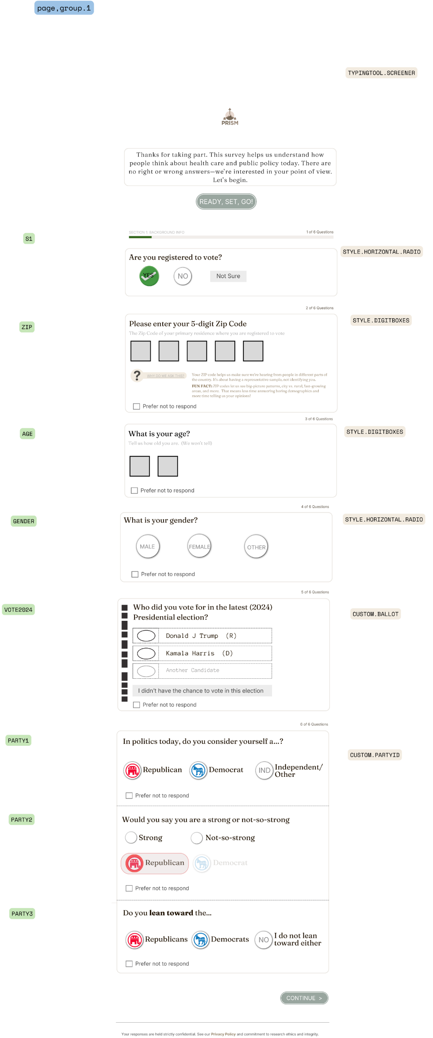
4. VARIABLE → COMPONENT MAPPING — Links Variable Map entries to their UI component
Variable | Component Style | Page Group | Artboard
qvote | STYLE.HORIZONTAL.RADIO | page.group.1 | p1
qzip | STYLE.DIGITBOXES (5) | page.group.1 | p1
qage | STYLE.DIGITBOXES (2) | page.group.1 | p1
qgender | STYLE.HORIZONTAL.RADIO | page.group.1 | p1
q2024vote | CUSTOM.BALLOT | page.group.1 | p1
qparty1 | CUSTOM.PARTYID | page.group.1 | p1
qparty2 | CUSTOM.PARTYID | page.group.1 | p1
qparty3 | CUSTOM.PARTYID | page.group.1 | p1
qtrustvector | STYLE.CARDSHUFFLE | page.group.2.optional | p2
qvector2 (reform/justice/industry/freedom) | STYLE.CARDSHUFFLE (matrix) | page.group.2.optional | p2
qvector3 (leadership/markets) | STYLE.7PTSEMANTIC | page.group.2.optional | p2
maxdiff_dem | MAXDIFF (Typing) | page.group.3 / page.typing.maxdiff | p9
maxdiff_gop | MAXDIFF (Typing) | page.group.3 / TYPINGTOOL.MAXDIFF.GOP | p9
qvector4 (justice/industry) | STYLE.CARDSHUFFLE (2-item matrix) | page.group.4 / TYPINGTOOL.VECTORS.DEM | p9
qinf360 | STYLE.CHECKLIST | page.inf360 / INFLUENCE360.SCREEN | p8
qinf360_eliteup/recruitup/orglat/medialat/down | STYLE.CHECKLIST | page.inf360.2 / INFLUENCE360.SCREEN2 | p8
qlowinf | STYLE.CHECKLIST | page.inf360.2 | p8
qtot_followers | STYLE.BUTTONSELECT (2×3) | page.inf360.2 | p8
qsocialinfluence | STYLE.BUTTON.CARD.SHUFFLE | page.inf360.2 | p8
XX_AWARE | STYLE.RADIO.VERTICAL | page.main.qnnaire | p7
XX_INFO | STYLE.CHECKLIST.EXPAND | page.main.qnnaire | p7
XX_ISSUES | STYLE.BUTTON.HORIZONTAL (4-5 pt) | page.main.qnnaire | p7
XX_IMP | STYLE.RADIO.HORIZONTAL (7-pt) | page.main.qnnaire | p7
CRITIC_1-N | STYLE.CARDSHUFFLE | page.critics.ordera/orderb | p6
XX_PRE (agree) | STYLE.CARDSHUFFLE | page.pretest | p6
XX_PRE (semantic) | STYLE.7PTSEMANTIC | page.pretest | p6
XX_PRE (rank) | STYLE.RANKSORT | page.pretest | p6
MSG_MAXDIFF | MAXDIFF (Message) | page.typing.maxdiff (msg) | p5
XX_POST (all) | Mirrors XX_PRE component types | page.posttest | —
qmob_1-5 | STYLE.CARDSHUFFLE (matrix) | page.activation.mob | p4
adv_P1 | STYLE.BUTTON.HORIZONTAL (5-pt) | page.activation.mob | p4
adv_P2 | STYLE.RADIO.HORIZONTAL (5-pt) | page.activation.mob | p4
adv_P2n | STYLE.BUTTON.HORIZONTAL (5-pt) | page.activation.mob | p4
qtrust | STYLE.CARDSHUFFLE (matrix) | page.activation.mob | p3
qmaha_aware | STYLE.BUTTON.HORIZONTAL (5-pt) | page.group.x (demographics) | p9/p3
qmaha_percep | STYLE.RADIO.VERTICAL | page.group.x | p3
qmaha_impression | STYLE.RADIO.HORIZONTAL (5-pt) | page.group.x | p3
qmaha_id | STYLE.RADIO.VERTICAL | page.group.x | p3
d2_hispanic | STYLE.HORIZONTAL.RADIO (icon) | page.group.x | p10
d3_race | STYLE.RADIO.VERTICAL | page.group.x | p10
vet | STYLE.HORIZONTAL.RADIO (icon) | page.group.x | p10
union | STYLE.HORIZONTAL.RADIO (icon) | page.group.x | p10
edu | STYLE.BUTTONSELECT (3×3) | page.group.x | p10
rel | Dropdown | page.group.x | p10
evangel | STYLE.HORIZONTAL.RADIO | page.group.x | p10
income | Dropdown | page.group.x | p10
optin | STYLE.BUTTON.HORIZONTAL (5-pt) | page.optin | p11
optin_email | Text input | page.optin | p11
optin_phone | Text input | page.optin | p11
optin_consent | Checkbox (single) | page.optin | p11

